Sheet1
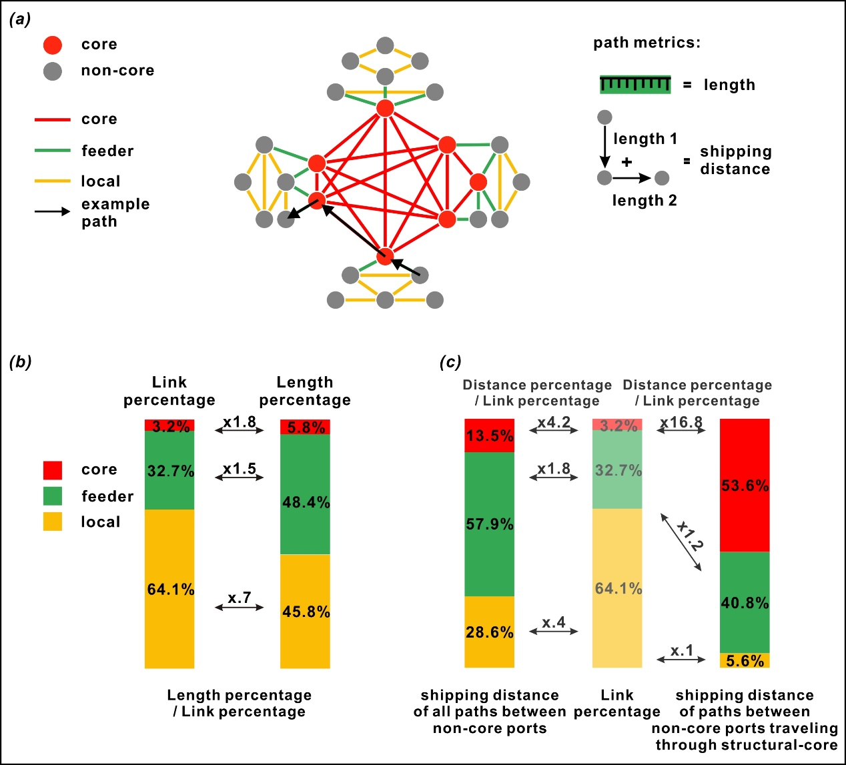
types of connections | shipping distance of all paths between non-core ports | Distance percentage / Link percentage (Left) | shipping distance of paths between non-core ports traveling through structural-core | Distance percentage / Link percentage (Right)
core | 13.5 | 4.2 | 53.6 | 16.8
feeder | 57.9 | 1.8 | 40.8 | 1.2
local | 28.6 | 0.4 | 5.6 | 0.1

